Names

Name | Gender | Age

 |  |  | Pentathlon Challenge
 |  |  | For this challenge you will need to complete please complete the following fields

 |  |  | NAME GENDER (select from dropdown) AGE GROUP

Challenge Guide
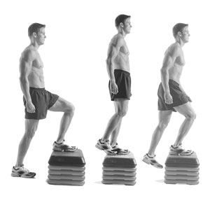
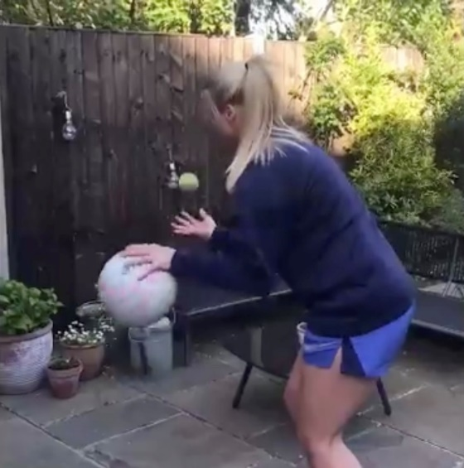
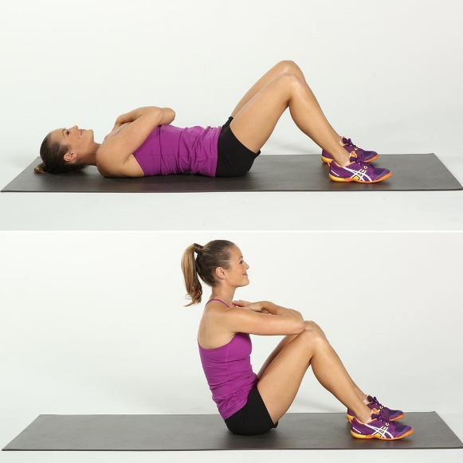
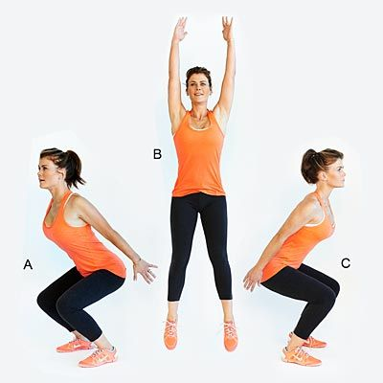
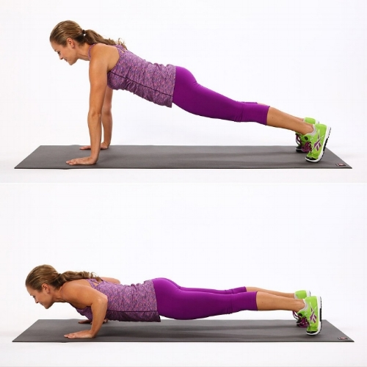
Step-Up Challenge |  | Catch & Bounce Challenge |  | Sit-Up Challenge |  | Squat Jump Challenge |  | Pushup Challenge

Duration | 30 Seconds | Duration | 1 Minute | Duration | 1 Minute | Duration | 30 Seconds | Duration | 1 Minute

How many Step up can you complete in 30 seconds? Using the bottom step of your home stairs or something of a similar height you must start on the ground, when the time starts you must stepup one foot at a time onto stair then step back down one foot at a time, every time you get back to the ground counts as one repetition |  | How many catches can you complete in 1 minute? You have to bounce 1 ball continuously whilst throwing & catching another ball or object. The ball you bounce can be any size , the object you throw & catch with your other hand can be a ball or any other object such as rolled up socks you have in your house. How many times you catch the object you are throwing up counts as one repetition |  | How many Sit ups can you complete in 1 minute? Lying on your back knees bent, situp and touch your knees with your elbows, then sit back down flat. Every time you get back to the ground will count as one reptition |  | How many Squat Jumps can you complete in 30 seconds? Starting in position A you must jump and roate 180 degrees and land in position C, everytime you land will count as one repitition |  | How many Push Ups can you complete in 1 minute? With your hands flat on the ground and toes (or knees) on the ground you must push your body off the ground till your arms are straight, then lowers yourself back to the ground about a fist (or tennis ball) height from the ground. everytime you lower yourself back to the ground will count as one repitition.

Monday
Choose Event 1 |  | Catch and Bounce Challenge

Name |  | Performance | Points

Format | 30 | Whole number between 1 and 80

 |  |  |  | Pentathlon Challenge
 |  |  |  | Please select Event 1 from dropdown list You can select a different event for each day (there are 5 choices) Step-Up Catch & Bounce Sit-Up Squat Jump Push-Up

